Stage_Explain
MATCH NAME: |  |  | ← | Match name
STAGE 1 |  | 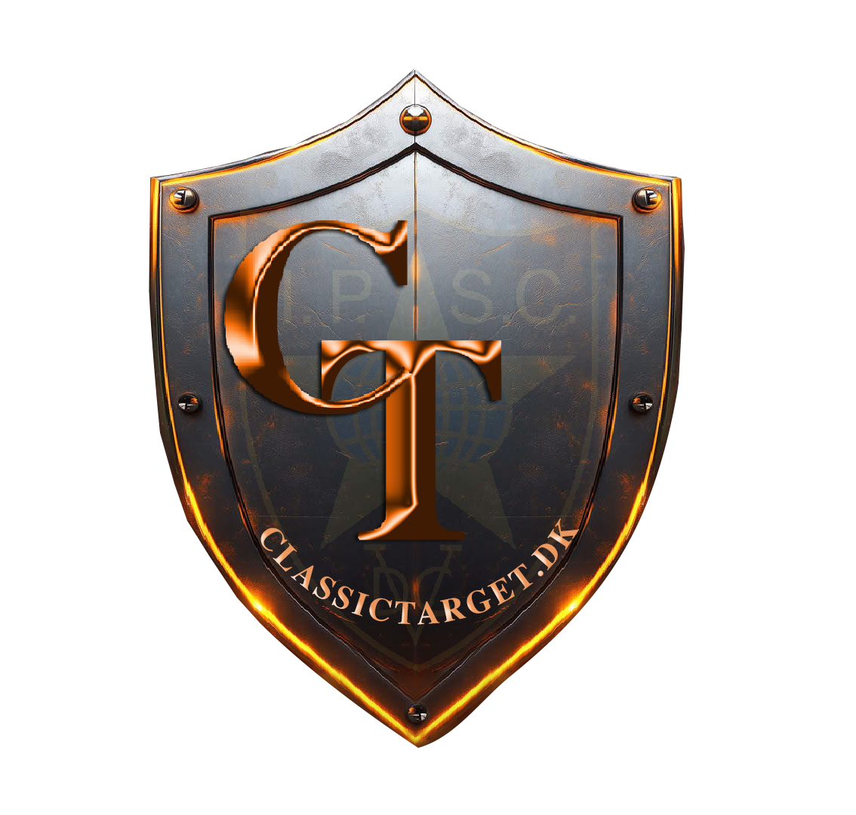 | ← | IROA Logo - Stage number IPSC Logo and your match logo |  |  | Why making the stage sign

 | 32 | Start Position | ← | Bullet logo - Total rounds - Start Position | The intention of the signs is to give basic stage information to competitors when they arrive at their
 |  |  |  |  | next stage. The signs answer the most important questions:

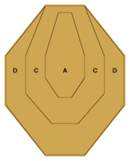
 |  | Standing relaxed facing down range. |  |  |  | 1. How many rounds (and, for Shotgun, the type) do I need?
 |  | Heels touching the green bar |  |  |  | 2. How many of each type of target must I find during the walkthrough?
 | 15 |  | ← | Target logo - Total of targets - And more about start position
 |  |  |  |  | The number of No-Shoots is irrelevant, because you're supposed to avoid them. Also the Gun Ready
 |  |  |  |  | Condition and Competitor Ready Position will be as demonstrated by the RO. In any case,
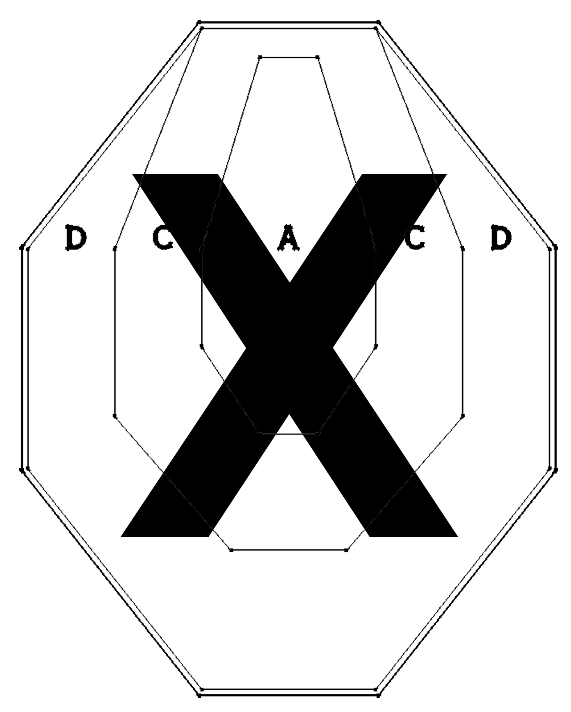
 |  |  |  |  | you can see what's required by observing a competitor on the line.

 |  |  |  |  | Match Organisers can also have the signs sponsored, in order to defray production costs. For smaller
 |  |  | ← | Penalty target - Number of Penalty target
 |  |  |  |  | matches, photocopies will suffice.

 |  |  |  |  | REMEMBER FROM JANUARY 2019 ALL BRIEFING MUST HAVE PICKTURE OF THE START POSITION OR AS DEMONSTRATED BY THE RO

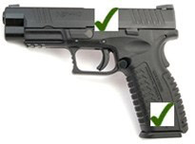
 | 2 |  | ← | Popper - Total number of poppers

 | 0 |  | ← | Plates - Total number of plates - Gun conditions

 |  | Gun Loaded and holster

MAX POINT | 160 |  | ← | Match Point

THIS TEMPLATE IS FOR THE FRONT OF THE STAGE - THE BRIEFING WILL EXSAMPLE NOT INCL. GUN LOADED AND HOLSTER IF THE RO DON´T SAY ANYTHING ITS ALWAYS LOADED AND HOLSTER

THAT INCL. ALSO STANDING RELAXED FACING DOWN RANGE

Stage example_HG
MATCH NAME:
STAGE 1

 | 32 | Start Position

 |  | Standing heels touching green bar
 |  | as demonstrated by the RO
 | 15

 | 2 | HANDGUN READY CONDITION

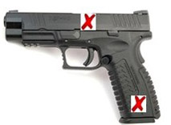

 | 2

 | 0 |  | .

 |  | Chamber and magwell
 |  | /cylinder empty.
MAX POINT | 160

Templates_HG
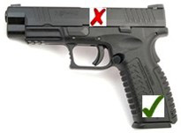
STAGE

 | 63
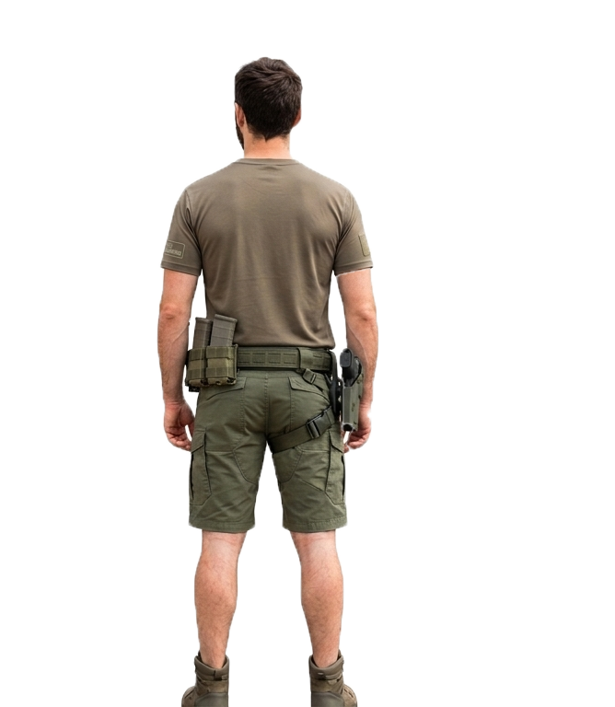
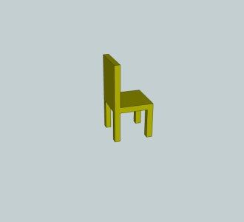
 | 27

 | 11

 | 5

 | 2
MINI POPPER

 | 2

NO SHOOT

 | 2

MAX POINT | 315

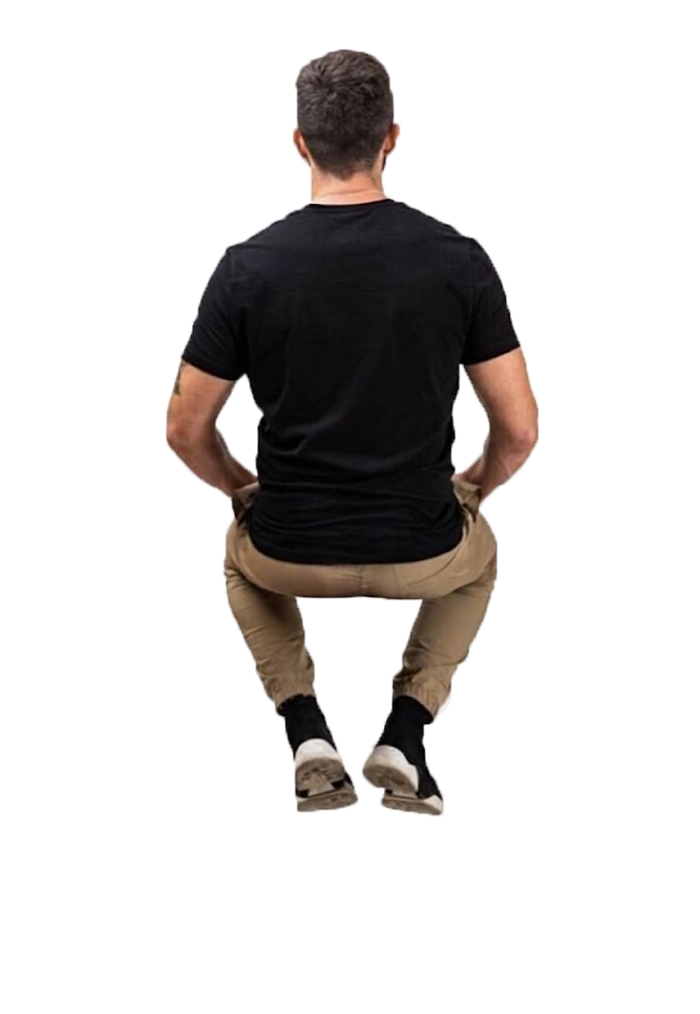

Templates_Rifle
European IPSC Rifle Championship 2012
STAGE 1 | 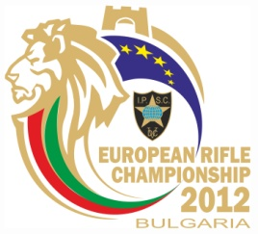

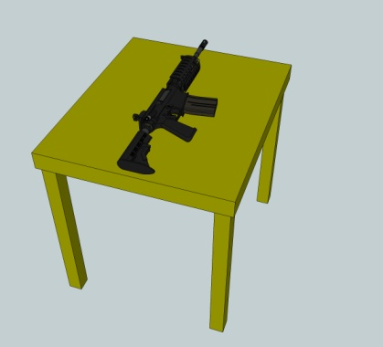
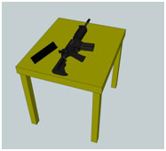

 | / /

 | /

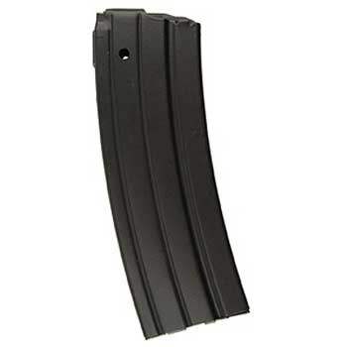
 | / / | .
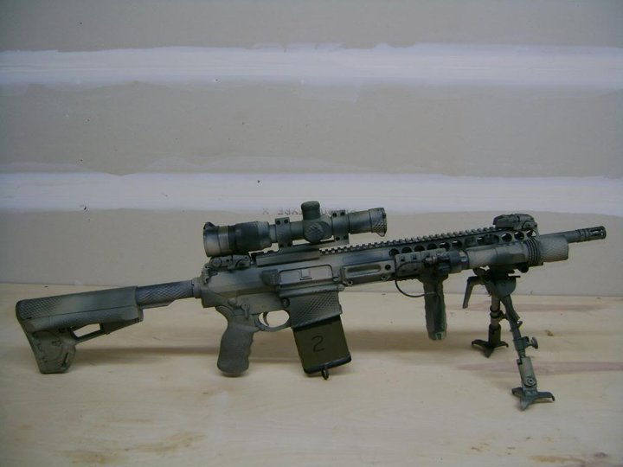

MAX POINTS

Templates_Shotgun
1. IPSC Shotgun Championship 2012
STAGE 1 | 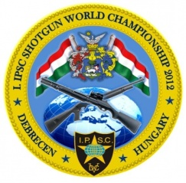

 |  |  |  | ●●●
 |  | ●●●●● |  | ●●●
 |  |  |  | ●●●

 |  |  |  | ●●●●●
 |  |  |  | ●●●●●
 |  |  |  | ●●●●●
 |  |  |  | ●●●●●

 |  |  | .

MAX POINTS

HG stage 1
STAGE 1
 | 32

 |  |  | START POSITION

 | 15
 |  | Standing heels touching green bar
 |  | as demonstrated by the RO

 | 2
 |  | HANDGUN READY CONDITION

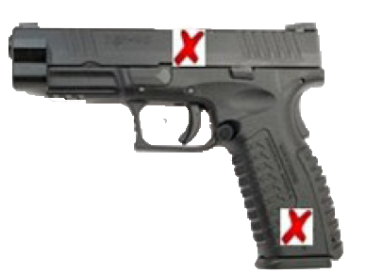

 | 2

No Shoot | 2
 | 0
 |  |  | Chamber and magwell
 |  |  | /cylinder empty.

MAX POINT | 160

